Sheet1
 |  | ROUND DUCT

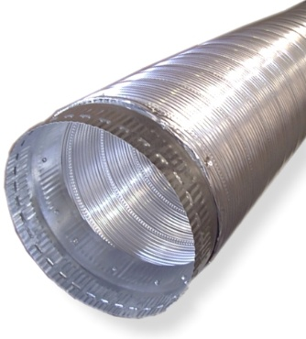
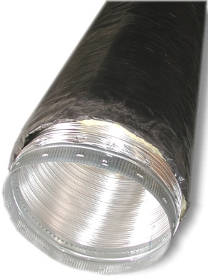
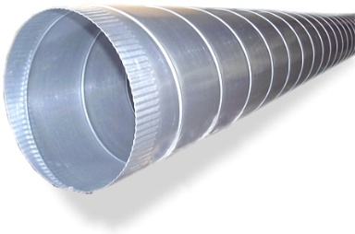

SPIRAL PIPE |  | BARE ALUMINUM FLEX |  | WRAPPED ALUMINUM FLEX

CONDUCTOR PIPE |  |  | KD PIPE

 |  | FITTINGS

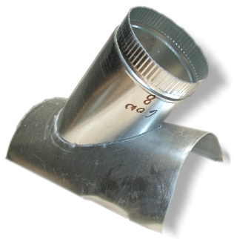
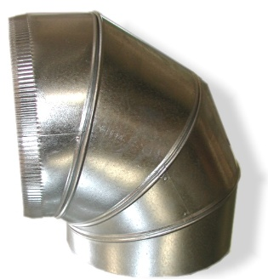
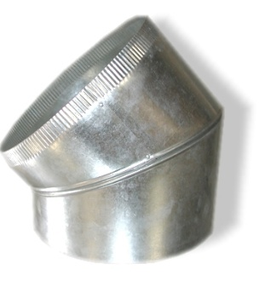

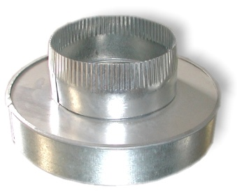
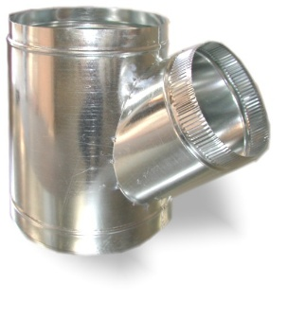
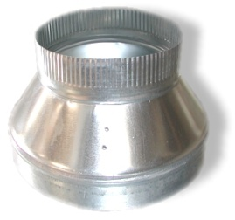

COOKIE CUTTER |  |  | T-WYE |  | 3-PC REDUCER

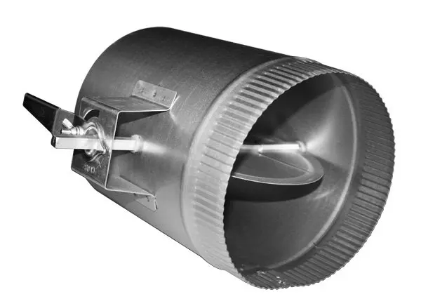
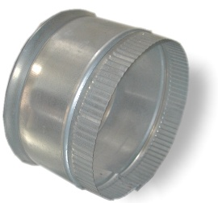

END CAP |  | HEAVY DUTY DAMPER |  |  | TAP-IN

 |  | RESIDENTIAL FITTINGS

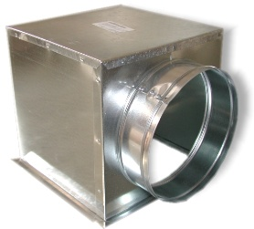
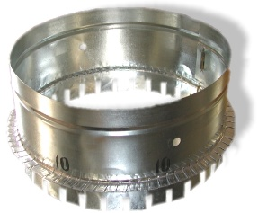
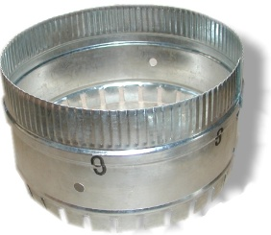
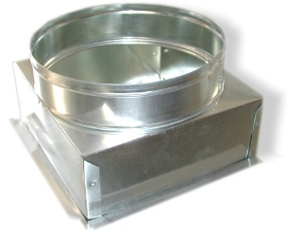

90 DEG CEILING BOXEG |  | CEILING BOX |  | DUCT BOARD COLLAR |  | DT COLLAR
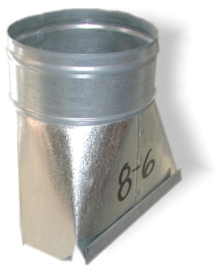
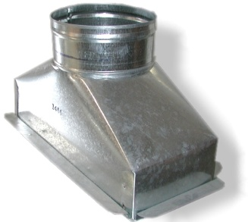

BOOT BOX |  | RAC CAN |  | REGISTER BOX |  | STRAIGHT BOOT

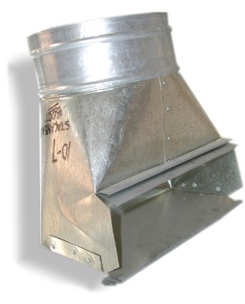
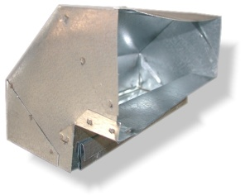

STACKHEAD BOOT |  | CONE BOOT |  | STANDARD RISER ELBOW |  | FLAT RISER ELBOW

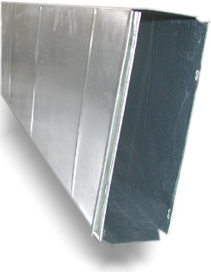
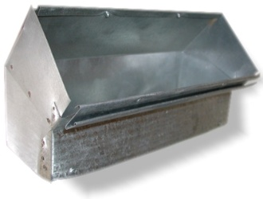
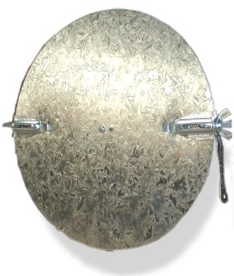

RISER PIPE |  | RISER CAP |  | STANDARD 45 RISER ELBOW |  |  | JIFFY DISK DAPMER

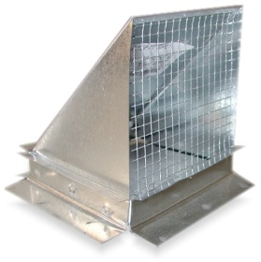
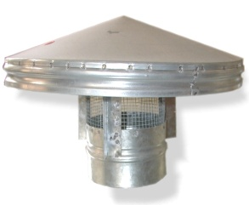
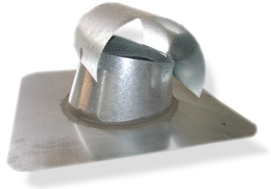
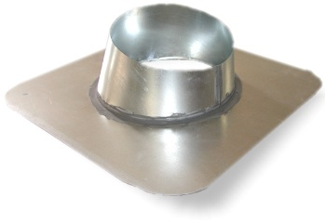

CHINA CAP |  | T-TOP |  |  | FLASHING |  | WALL CAP

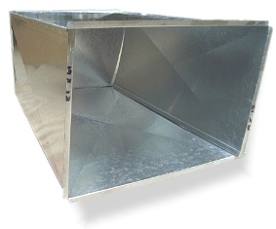

FURBNACE STANDS |  |  | DRAIN PAN |  |  | PLENUM

 | MISCELLANEOUS

DUCT LINER |  | DUCT WRAP |  | DUCT TAPES |  | HANGER STRAPS
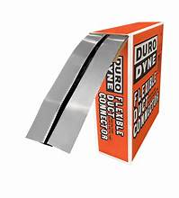

DUCT TIES |  | FLEX CONNECTOR |  | DUCT SELAER

DUCT MATE ANGLE |  | STANDING S |  |  | DRIVE
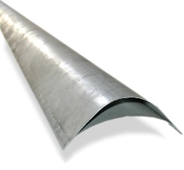

PG |  | FLAT S |  |  | TURNING VANE

 |  | CIRCLELINED PRODUCTS

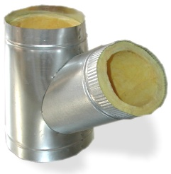
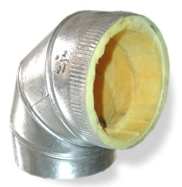

CIRCLEL INED T-WYE |  | CIRCLELINED ELBOW |  | CIRCLELINED KD |  | CIRCLELINED SPIRAL

 |  | VENTING

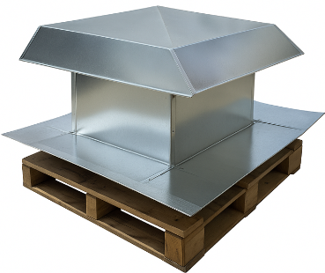

COMBUSTION VENT |  |  | SWAMP COOLER DIFFUSER

